Worksheet
INPUT
Fill out your site and system details in all orange cells. The output is shown in the green cells below.
Usage |  |  | Solar Insolation Map
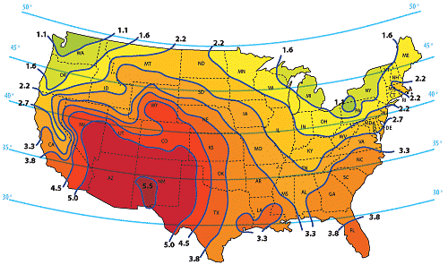
Drivers with Cars | 2 | Enter the number of resident licensed drivers with access to a vehicle.
Average Trips per day per resident | 2 | How many times does each driver leave the property? One trip is two gate cycles: departure and arrival.
Other vehicles | 3 | Other than residents, how many people visit the property on a typical day? Each is two cycles: arrival and departure.
Total Gate Cycles | 14 | Total gate cycles per day
System
Operator Type | SlideSmart 535 | Select your operator from the pull down menu
Gate Length (ft) | 20 | Enter the length of the gate in ft.
Number of Keypads | 0 | Enter the number of keypads installed on the system. We'll estimate the power. Do not include wireless keypads.
Loop Detectors | 0 | Enter the number of loop detectors used. Do not include Hy5B detectors
7 Day Event Timer | 0 | Enter the number of stand alone 7day timers. Do not include onboard 7day timers.
BlueBus Photoeyes | 1 | Enter the number of BlueBus photoeye pairs used.
Ethernet Connection | 0 | Enter 1 if connecting the ethernet port (only on operators with STC725 controller)
Cellular modem | 0 | Enter 1 if using a cellular moden along with ethernet connection
Stand Alone Receiver | 0 | Enter number of stand alone radio receivers
OXI Receiver | 1 | Enter 1 if using an OXI receiver
Other (mA) | 0 | If there are other devices that draw power continuously, enter the power draw in mA. (e.g. Wi-Fi/cellular modules, lights, etc.)
Standby Current draw (A) | 0.093
Battery voltage (V) | 24.0
Daily Standby Energy (Wh) | 53.6
Energy per cycle (Wh) | 1.3
Environment and user requirements
Insolation (see map) | 3.3 | Enter the value on the map that corresponds to the site's location. If the location is between two lines, use the average.
Days of Standby required | 3 | Enter the number of days that there may be no charging at all due to extended cloudiness or snow.
Minimum battery level (%) | 50% | The lowest battery charge level allowed after above number of days of standby. (>50% reccomended)
Expected recharge time (days) | 3 | Number of days of full sun to recharge fully depleated batteries (typical = 2 days)

RESULTS
Daily System Load (W-h) | 72.2 | This is the average daily power requirement for the system.
Battery Capacity at 24V (Ah) | 18.1 | Connect TWO 12v batteries in series. Each battery capacity should be rated more than 19Ah
Solar Panels (W) | 65.7 | Connect TWO 12v Solar panels in series. Each Panel should be rated more than 33W
Battery Charger | On-Board | The charger built into SlideSmart 535 is adequate for your design

Standby power (W) | 3.0
Charge current available (A) | 2.1 | Power available to charge battery from above panels
Charge current needed (A) | 1.0 | Current needed for 6h to recharge batteries in time above

