Input Output
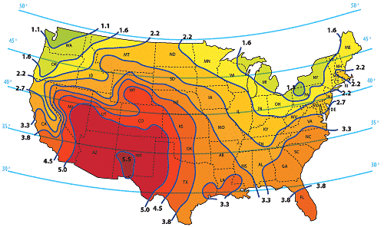
INPUT
Usage |  |  | Solar Insolation Map
Drivers with Cars | 3 | Enter the number of resident licensed drivers with access to a vehicle.
Average Trips per day per resident | 2 | How many times does each driver leave the property? One trip is two gate cycles: departure and arrival.
Other vehicles | 1 | Other than residents, how many people visit the property on a typical day? Each is two cycles: arrival and departure.
Total Gate Cycles | 14 | Total gate cycles

System
Operator Type | SlideSmart | Select your operator from the pull down menu
Gate Size (ft) | 16 | Enter the length of the gate in ft.
Number of Keypads | 0 | Enter the number of keypads installed on the system. We'll estimate the power. Do not include wireless keypads.
Free Exit Loop | 0 | Enter 1 if there is a free exit loop in the system, otherwise enter 0. Do not include Hy5B detectors
7 Day Event Timer | 0 | Enter 1 of there is an event timer, otherwise enter 0.
Receiver | 1 | Enter 1 if using an OXI receiver
Other (mA) | 0 | If there are other devices that draw power continuously, enter the power draw in mA.

Environment
Insolation (see map) | 3.8 | Enter the value on the map that corresponds to the gate's location. If the location is between two lines, use the average.
Days of Standby | 5 | Enter the number of days that there may be no charging at all due to extended cloudiness or storms.

OUTPUT

Power Requirements
System Load (W-h/day) | 80.4 | This is the average daily power requirement for the system.
Solar Panels (W) | 23.3 | This is the minimum size solar panel (W). Pick the next larger size.
Battery Capacity (A-h at 12V) | 67.0 | This is the minimum size battery in Ah (at 12V). Pick the next larger size. Use two batteries of the same size connected in series for 24V systems. Example: 2 batteries @35AH ea = 70Ah

